Demographics
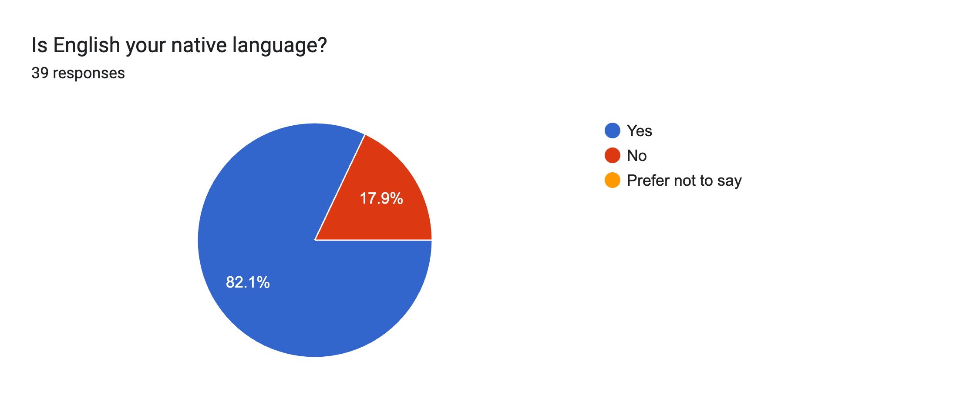
What is your country of residence?
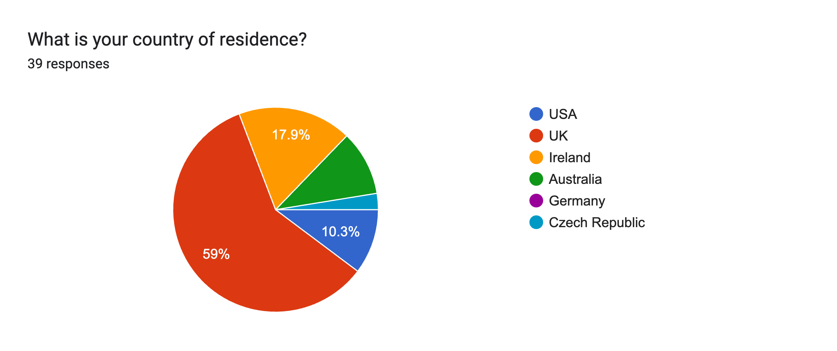

 | How many years of experience do you have in Mathematics & Statistics Support?
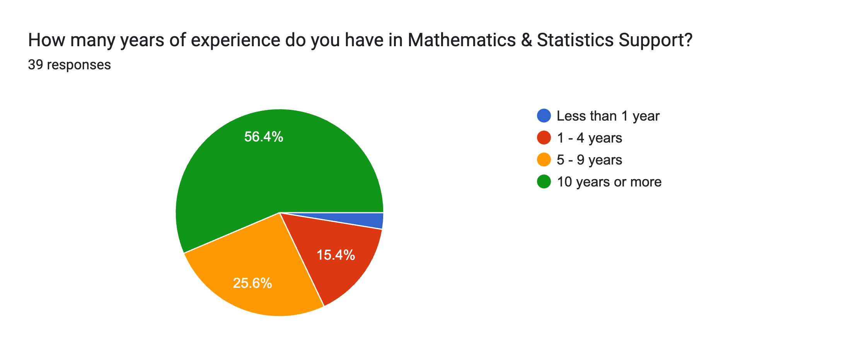

Is English your native language?

Collaboration
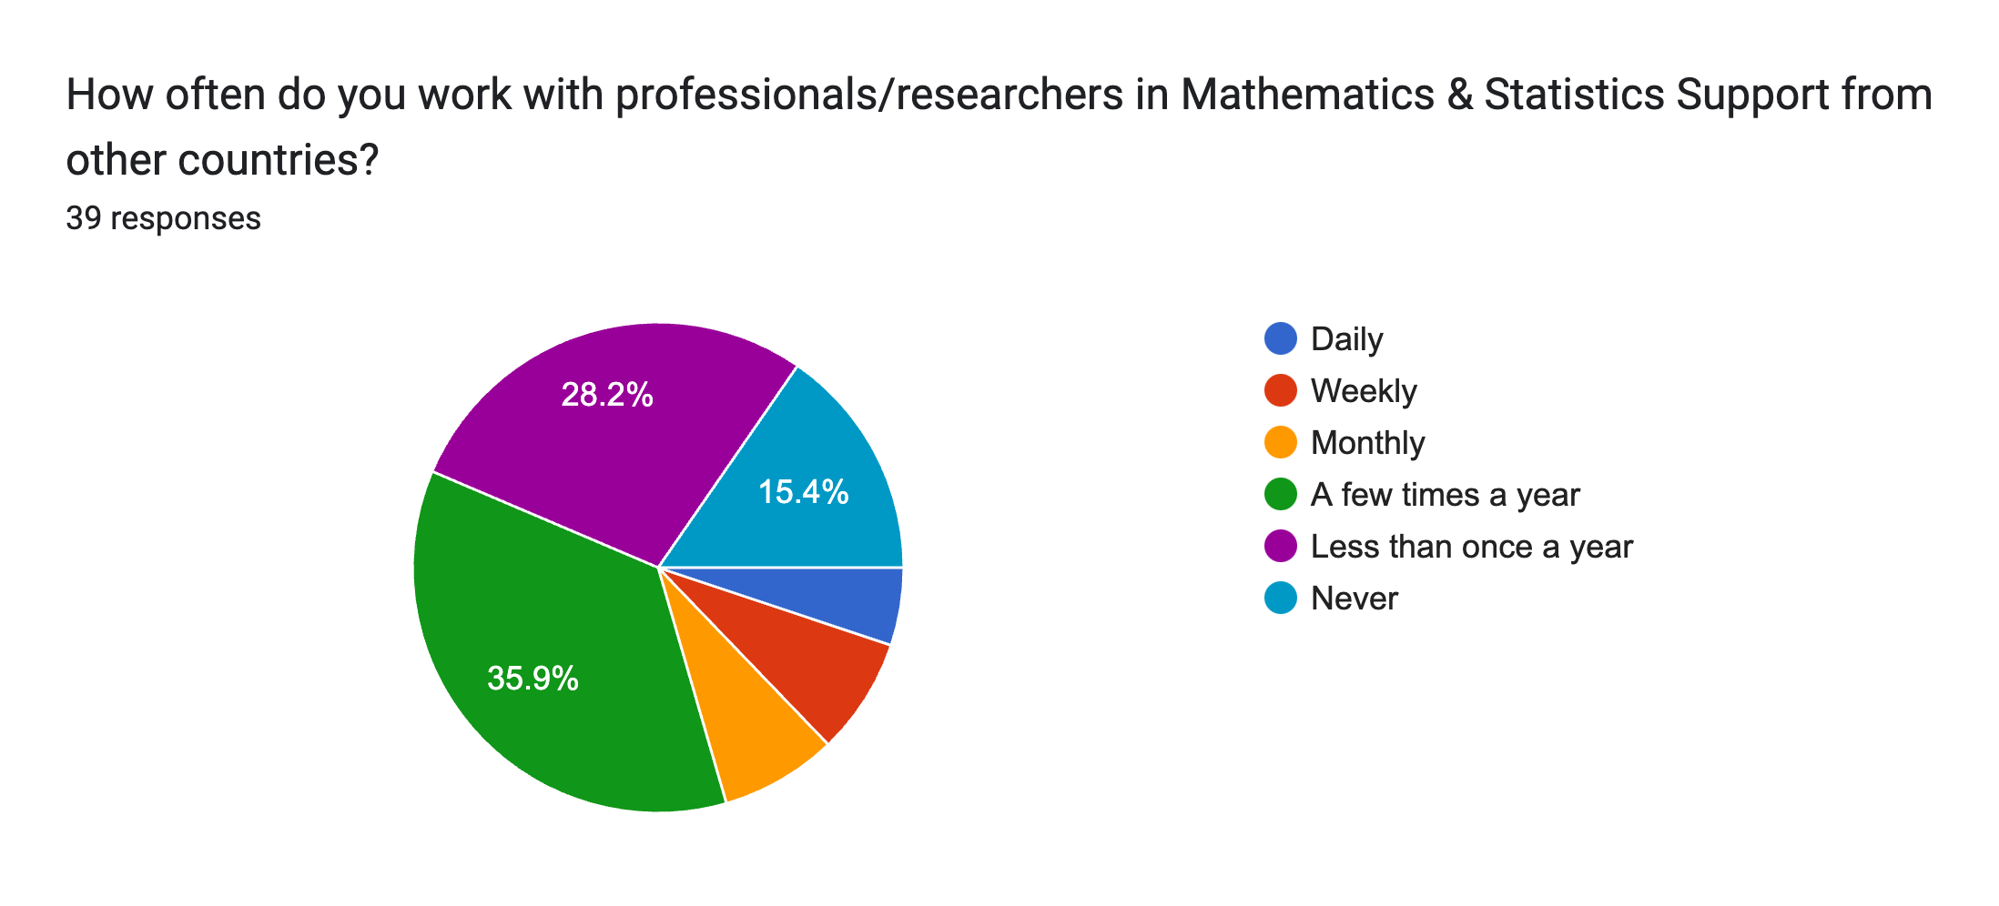
How often do you work with professionals/researchers in MSS from your country of residence?
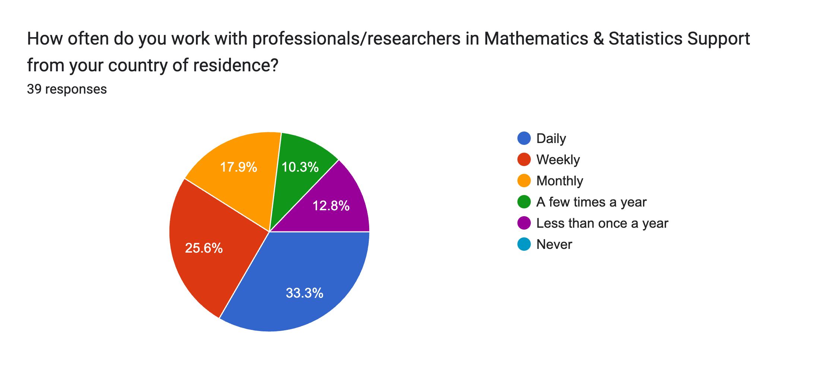

 | Which of the following journals/networks/conferences of MSS research are you aware of?

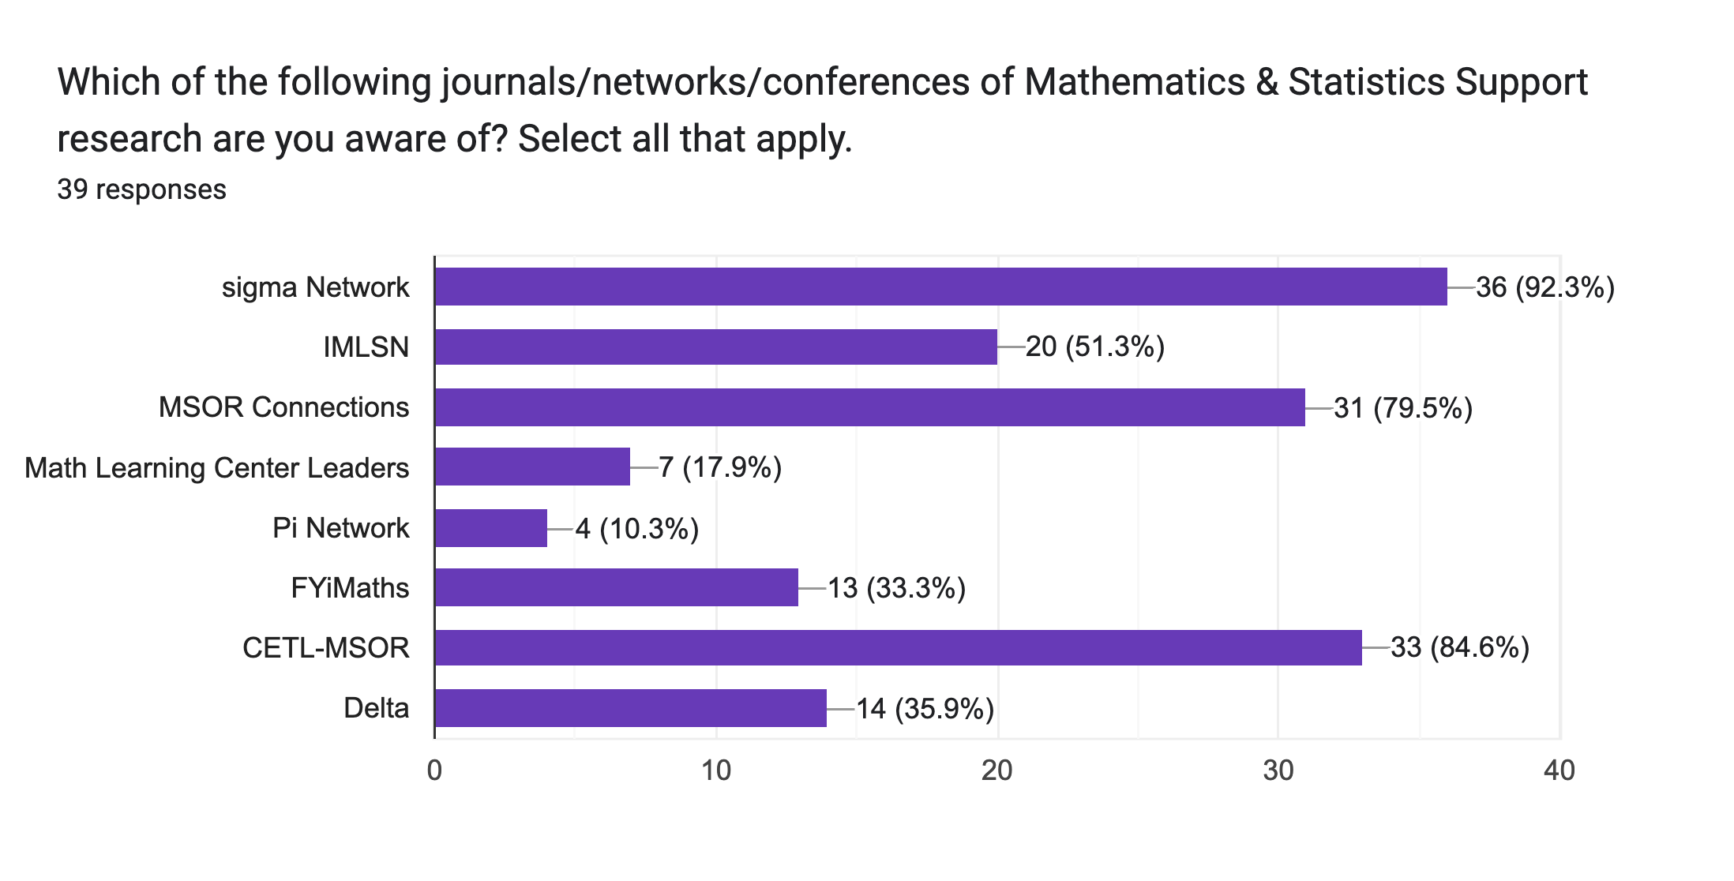

How often do you work with professionals/researchers in MSS from other countries?

Keywords
How regularly do you use keywords to search for MSS research?
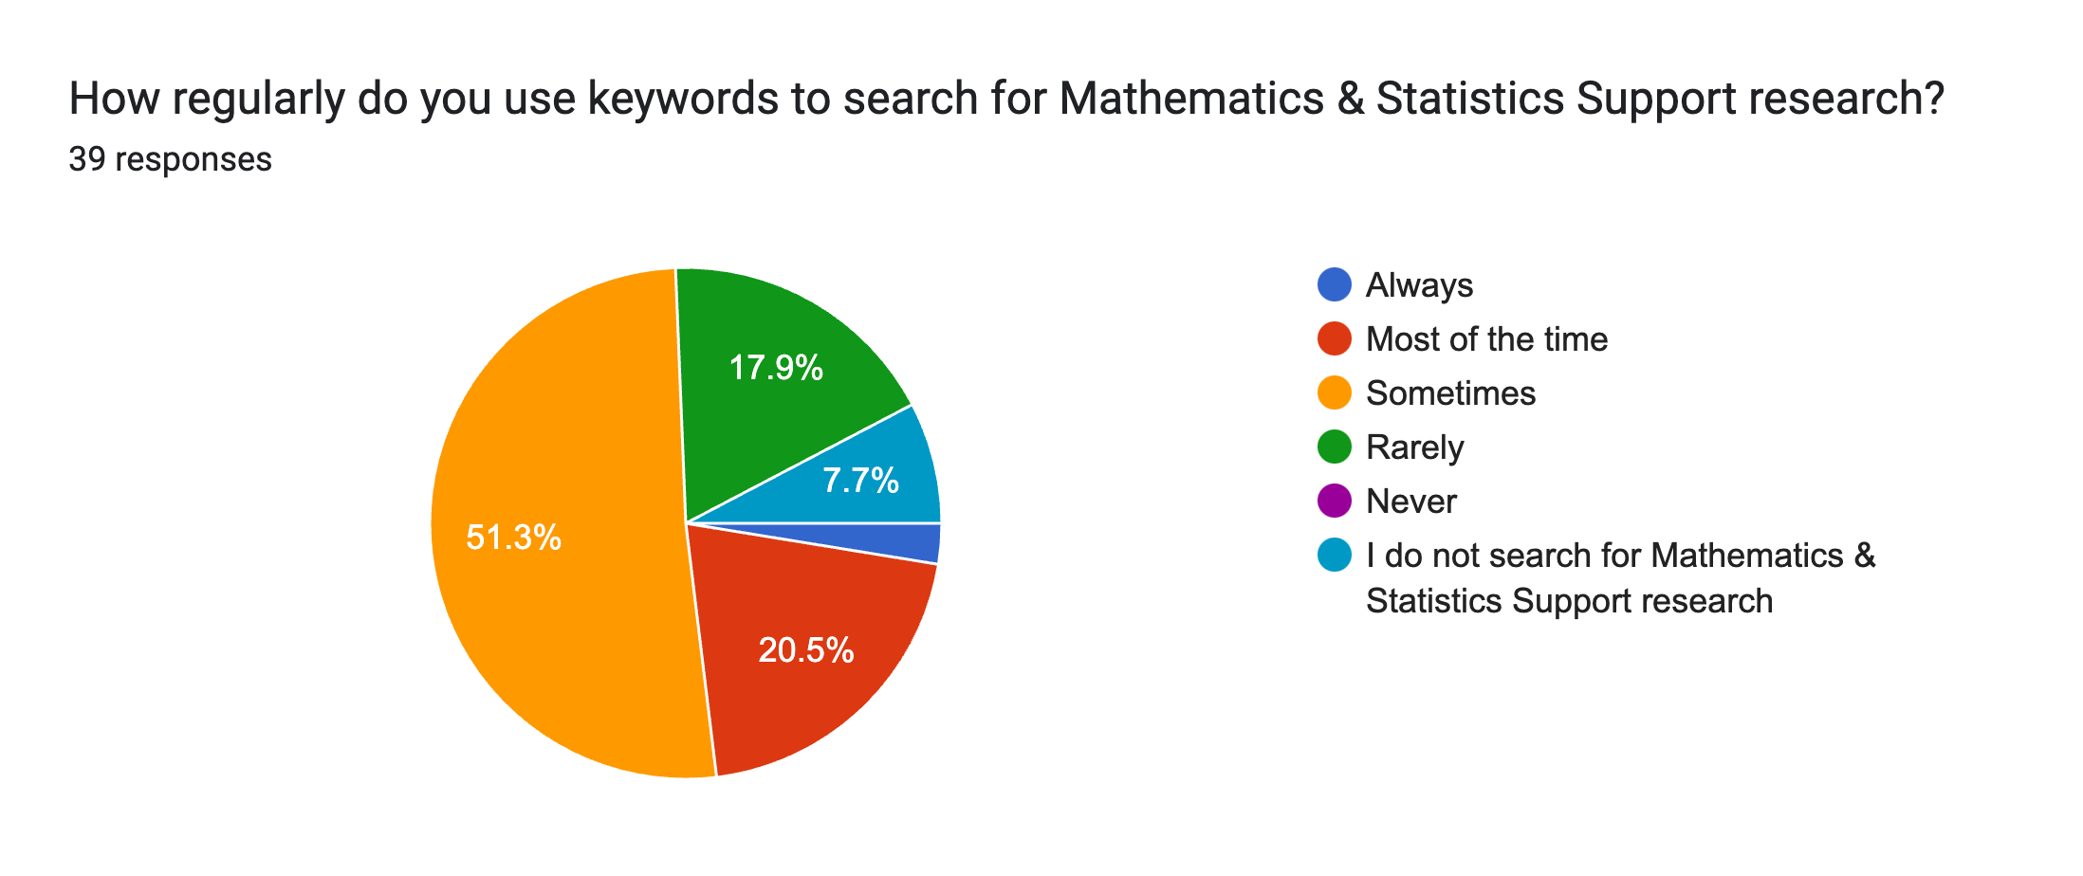

 | Rate the following words on a scale from Not at all associated to Very strongly associated, based on your association of them with MSS practice/research.

Rate the following words on a scale from Very Unlikely to Very Likely, based on how likely you would be to use them as keywords for MSS research.

Terminology
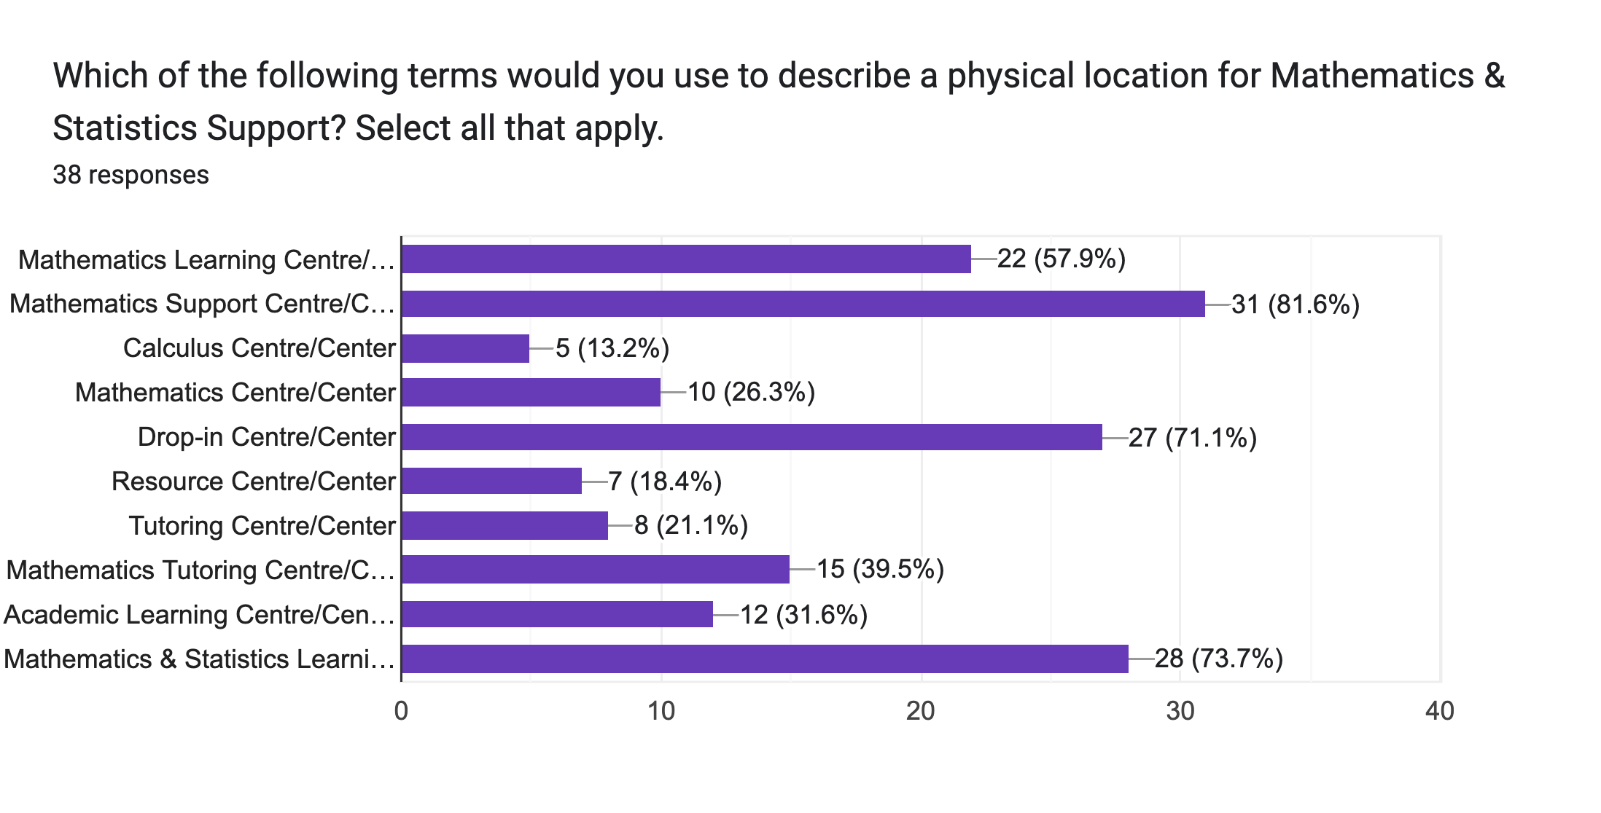
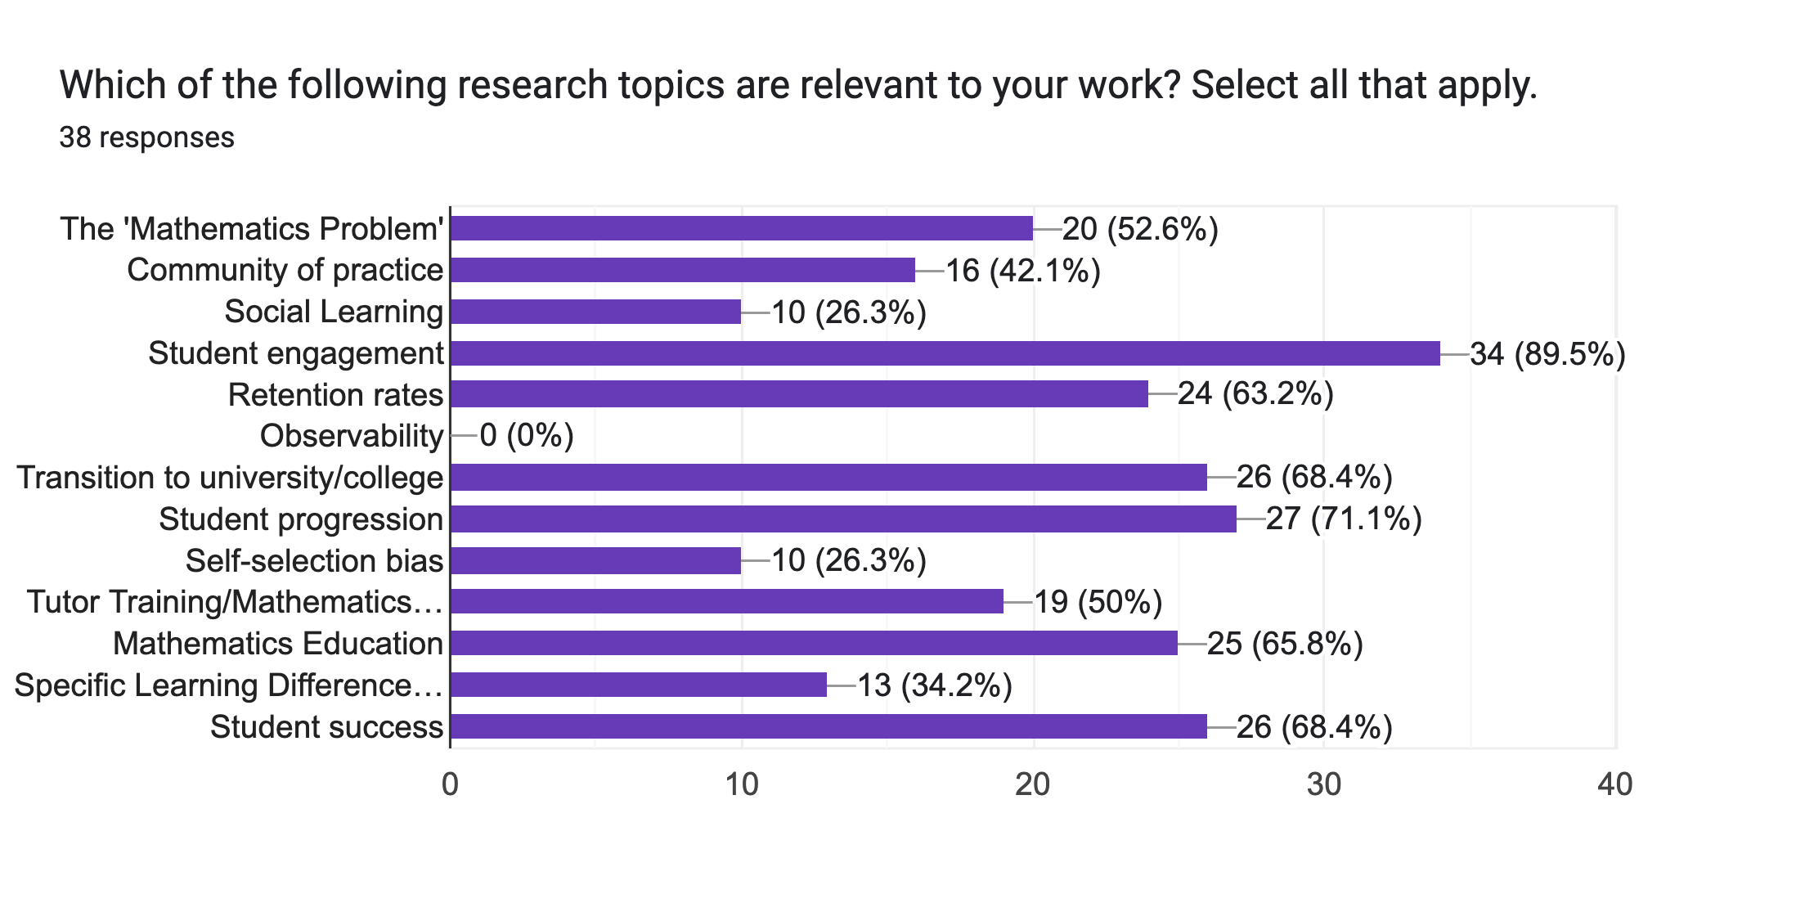
“The English words used in MSS research in my country of residence are similar to those of other countries.” | “Unfamiliar words or unfamiliar Mathematics & Statistics Support methods limit my ability to understand research from other countries.” | Which of the following terms would you use to describe an employee involved in Mathematics & Statistics Support?
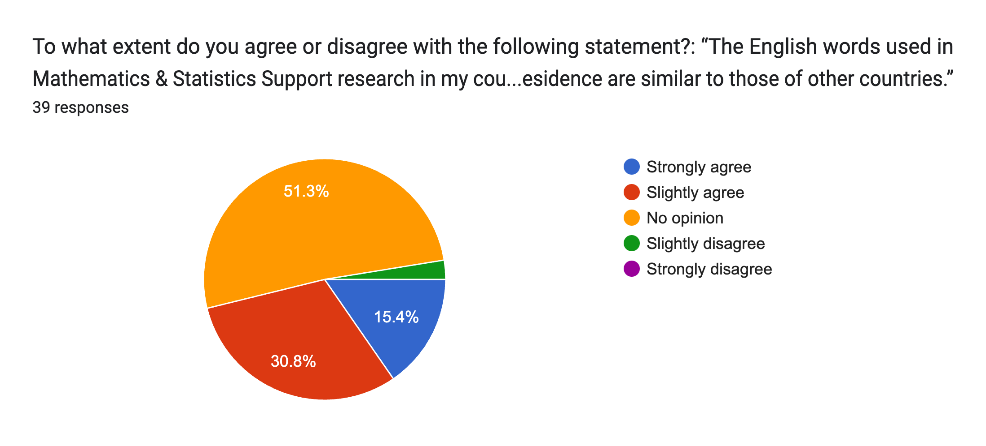
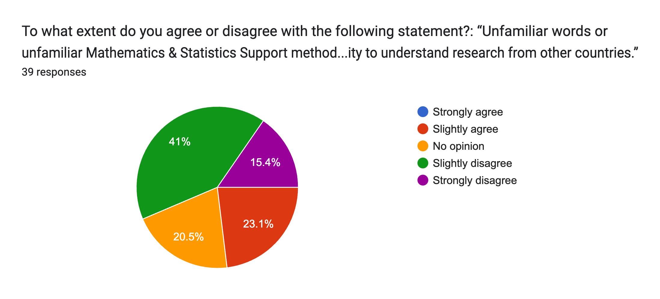
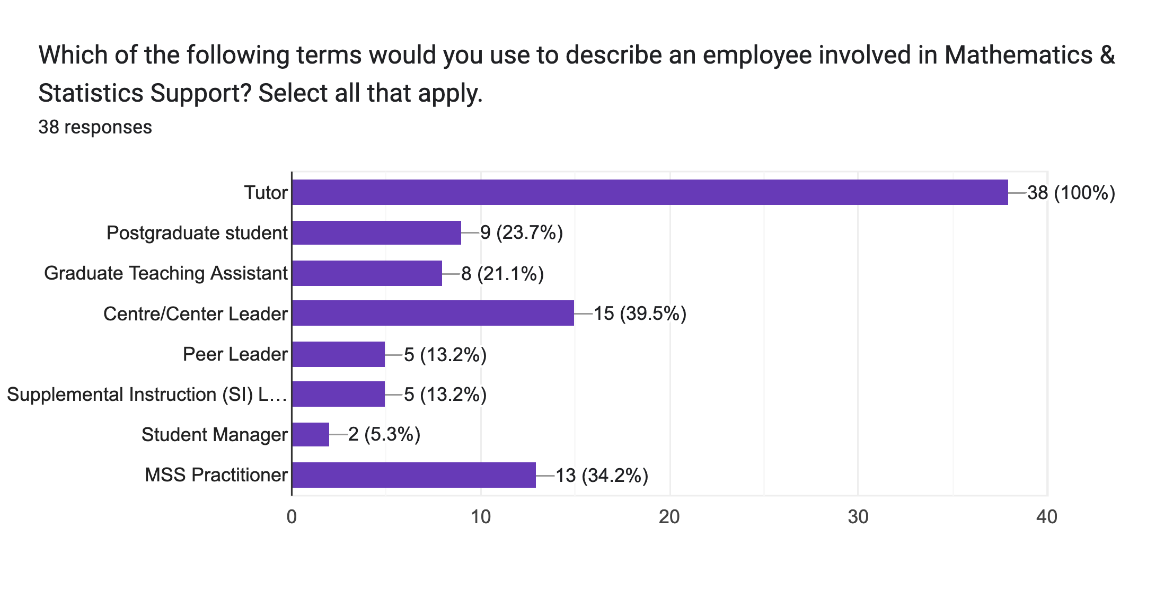

Which of the following terms are used for methods of delivering Mathematics & Statistics Support in your institution? | Select all of the following techniques and tools that you use for Mathematics & Statistics Support.
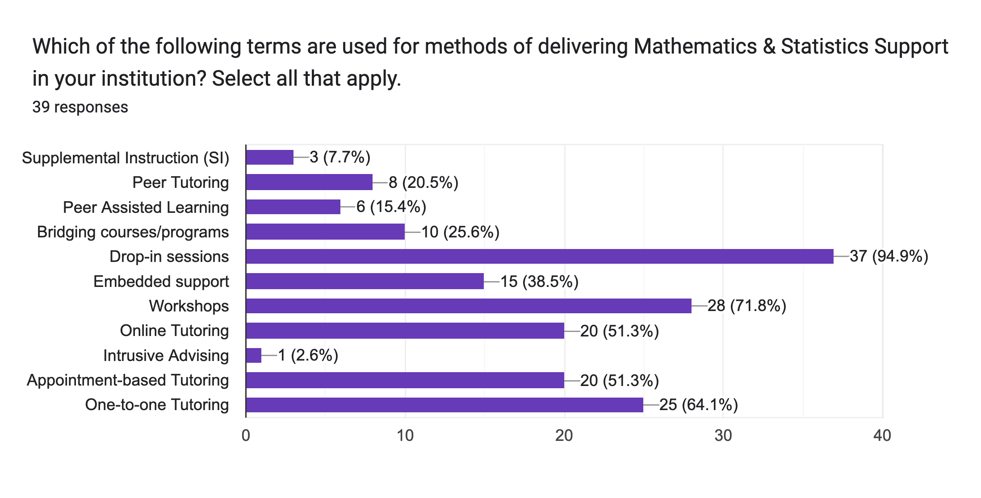
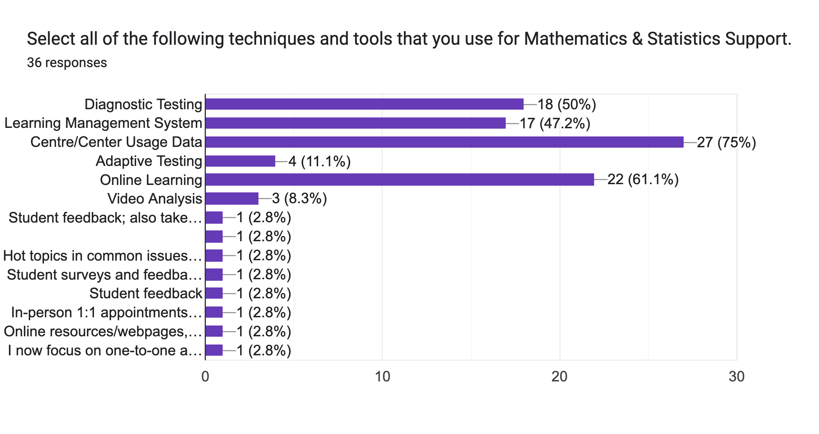

Which of the following terms would you use to describe a physical location for Mathematics & Statistics Support? | Which of the following research topics are relevant to your work?

